Get started with Azure accounts
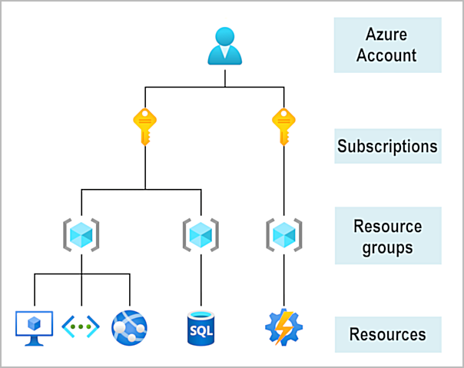
To create and use Azure services, you need an Azure subscription | Once you have an active Azure account, you may want to create additional subscriptions for resource or billing management purposes.
 | If you have multiple subscriptions, you can organize them into invoice sections.
 | Each invoice section is a line item on the invoice that shows the charges incurred that month.

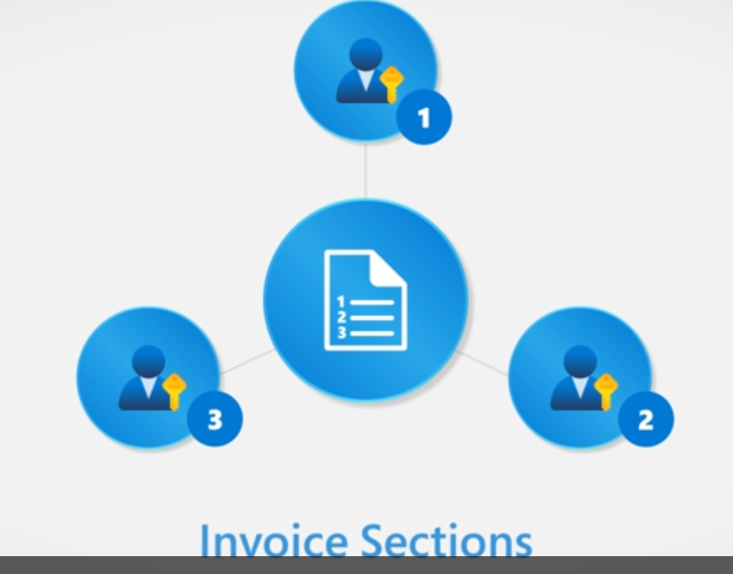

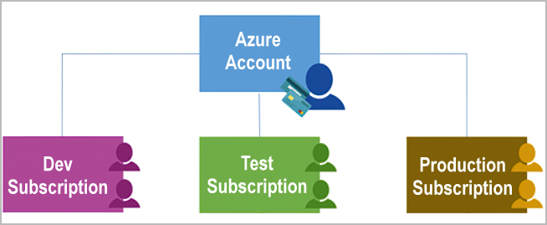

You can also set up multiple invoices within the same billing account by using billing profiles.
Each billing profile has its own monthly invoice and payment method.
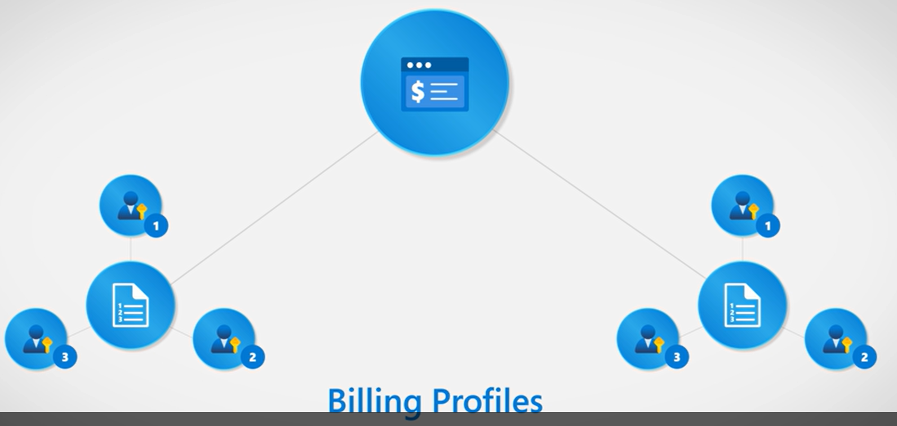

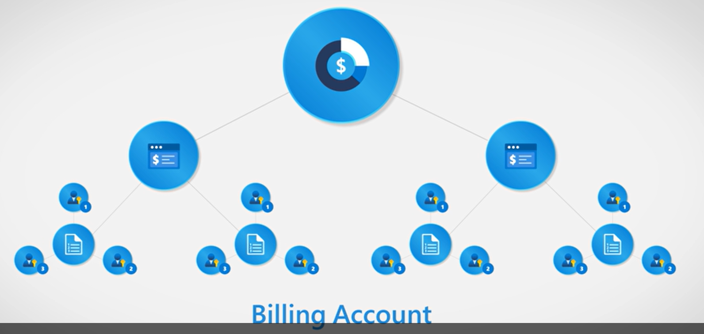

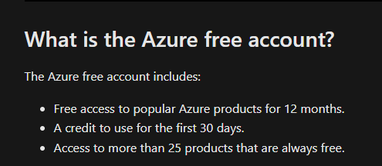

Subscriptions may be grouped into management groups

Azure management infrastructure
Azure resources and resource groups
 | Resource groups are simply groupings of resources.
 | When you create a resource, you’re required to place it into a resource group.
 | While a resource group can contain many resources, a single resource can only be in one resource group at a time.
 | Some resources may be moved between resource groups, but when you move a resource to a new group, it will no longer be associated with the former group.
 | resource groups can't be nested, meaning you can’t put resource group B inside of resource group A.

Azure subscriptions

 | There are two types of subscription boundaries that you can use:
 |  | Billing boundary
 |  |  | Azure generates separate billing reports and invoices for each subscription so that you can organize and manage costs.

 |  | Access control boundary
 |  |  | you have different departments to which you apply distinct Azure subscription policies.
 |  |  | This billing model allows you to manage and control access to the resources that users provision with specific subscriptions.

 | create additional subscriptions to separate
 |  | Environments
 |  |  | set up separate environments for development and testing, …

 |  | Organizational structures
 |  |  | you could limit one team to lower-cost resources, while allowing the IT department a full range

 |  | Billing
 |  |  | create subscriptions to manage and track costs based on your needs

Azure management groups
 | Management groups can be nested.
 | use to manage access, policies, and compliance across multiple subscriptions

Management group, subscriptions, and resource group hierarchy

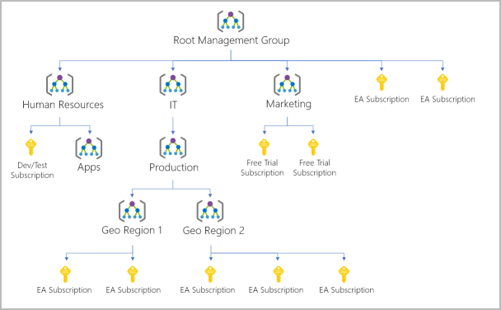

 | Azure role-based access control (Azure RBAC)
 |  | Assigning Azure RBAC at the management group level means that all sub-management groups, subscriptions, resource groups, and resources underneath that management group would also inherit those permissions

Create an Azure resource
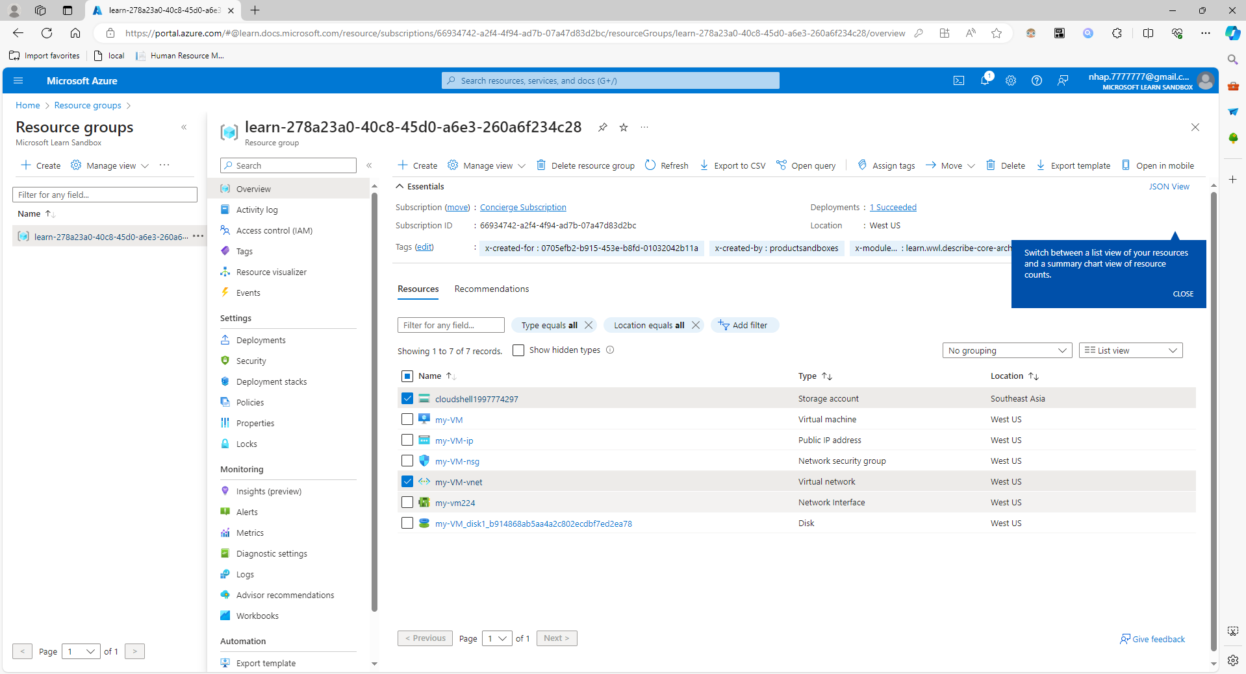

The storage account and virtual network are associated with the Learn sandbox.
However, the rest of the resources were created when you created the virtual machine
By default, Azure gave them all a similar name to help with association and grouped them in the same resource group.

Resources that you leave running can cost you money

